Project3603
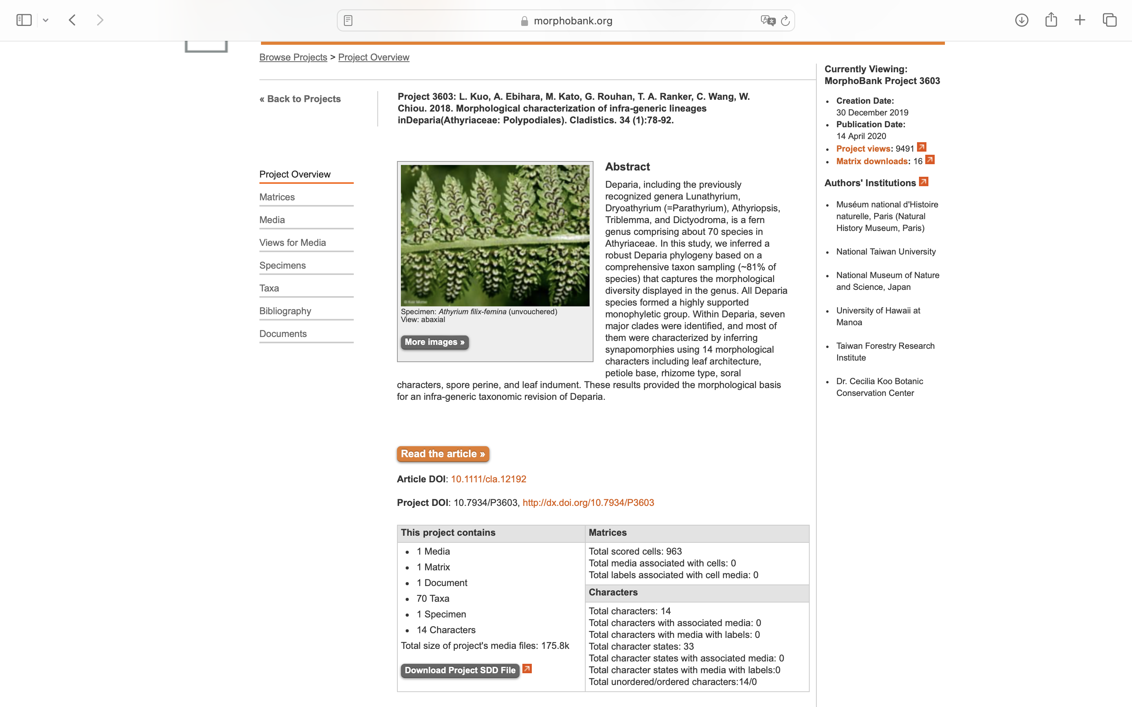
Charlabels | Character Pattern | Unseen States
[1] 'Rachis-costa groove' | Transformational | NO
[2] 'Venation' | Neomorphic | NO
[3] 'Basal pinnae' | Transformational | NO
[4] 'Rhizome' | Transformational | YES
[5] 'Pneumatophore' | Neomorphic | NO
[6] 'Stipe base' | Transformational | YES
[7] 'Diplazoid sori' | Neomorphic | NO
[8] 'Vein-crossing sori' | Neomorphic | NO
[9] 'Indusial margin' | Transformational | YES
[10] 'Perine ornamentation' | Transformational | YES
[11] 'Perine surface' | Transformational | YES
[12] 'Abaxial sides of costae' | Transformational | NO
[13] 'Minimum leaf dissection' | Transformational | YES
[14] 'Maximum leaf dissection' | Transformational | YES

